Readme
Title: | TEMPLATE Technical Scoring Guide
Overview: This workbook provides the scoring guide for bidder responses.
What is the purpose of this document: This document has all of the requirements from the Target Software Standards document. This document can be used to evaluate vendors for specific supply chain management system capabilities against the requirements listed in the 'Requirements' tab. Requirements have been grouped by various functional and non-functional areas. Vendors and their respective software capabilities can be evaluated using this workbook based on the applicable supply chain functionality or group of functionalities being evaluated. The intent of this document is to act as template for Countries to start from where they can and should customize it to meet their specific requirements.
Governance: Document is to be saved with a version stamp and evaluator's initials on the end.
How to use this document: The REQUIREMENTS tab is location for recording comments / notes and score per bidder. * Scores may decimal values between 0 and 5. 0 means the bidder did not respond to the requirement, 5 means they excelled at that requirement. Requirements have been prioritized based on whether they are 'Essential' for the solution, 'Advanced' or an 'Emerging' capability. 9 corresponds to 'Essential' 3 corresponds to 'Advanced' 1 corresponds to 'Emerging' These priority values have been pre-assigned for each requirement and will be multiplied by the evaluator assigned score (0 to5) in calculating the adjusted score for each requirement being evaluated.
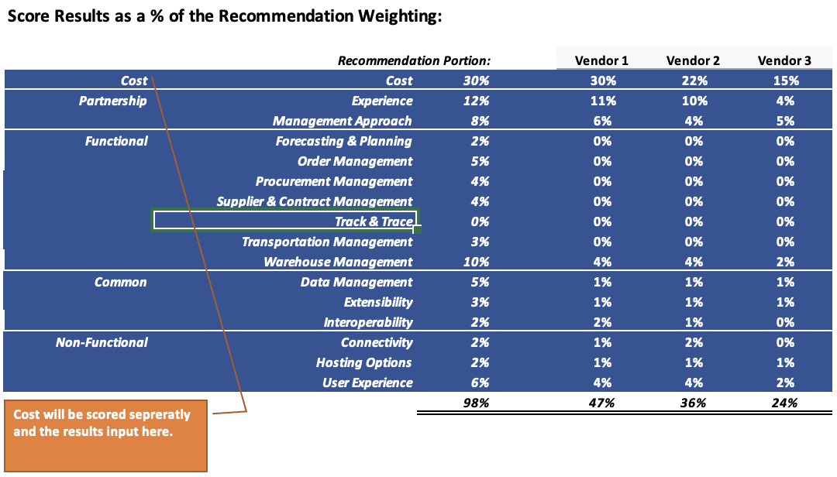 Note: While evaluating software tools, if a particular functionality is not applicable the recommendation portion percentage in the scoring results table within the Scoring Results tab can be zeroed out. An example is depicted below to indicate that Track & Trace functionality is not being evaluate.
Contents | Use
Scoring Guide Hierarchy | Visual layout of how the requirements relate and the relative %s for final weighting
Priorities | Provides a view on the number of requirements per category by priority
Requirements | Lists all of the requirements with a notes field and a scoring field per bidder
Scoring Results | Visual Comparison on the results of the scoring
Lookups | Lookup table for values

Scoring Guide Hiearchy
Just a simple visual to how the requirements are structured and the relative weights applied toward the scoring.
Countries should adjust the % to reflect their priorities as well as remove any areas that are not of interest.

Core Requirements

Extended Requirements

Priorities
% Distribution of Priority
 | Essential | Advanced | Emerging
Experience | 7
Management Approach | 7 | 1
Warehouse and Inventory Management | 27 | 35 | 1
Data Management | 10 | 8 | 1
Interoperability | 1 | 5 | 1
Extensibility | 6
Forecasting & Planning | 12 | 14
Supplier & Contract Management | 16 | 14
Procurement Management | 12 | 6
Order Management | 14 | 15
Transportation Management | 3 | 12 | 1
Track & Trace |  | 10 | 1
Analytics and Reporting | 20 | 2 | 1
Hosting Options | 2 | 1
Connectivity | 3 | 3
User Experience | 3 | 2
Security | 4
Count of Requirements by Priority
 |  | Priority
Category | Section | Essential | Advanced | Emerging | Grand Total
Partnership | Experience | 7 |  |  | 7
 | Management Approach | 7 | 1 |  | 8
Partnership Total |  | 14 | 1 |  | 15
Common | Warehouse and Inventory Management | 27 | 35 | 1 | 63
Common Total |  | 27 | 35 | 1 | 63
Functional | Data Management | 10 | 8 | 1 | 19
 | Interoperability | 1 | 5 | 1 | 7
 | Extensibility | 6 |  |  | 6
 | Forecasting & Planning | 12 | 14 |  | 26
 | Supplier & Contract Management | 16 | 14 |  | 30
 | Procurement Management | 12 | 6 |  | 18
 | Order Management | 14 | 15 |  | 29
 | Transportation Management | 3 | 12 | 1 | 16
 | Track & Trace |  | 10 | 1 | 11
 | Analytics and Reporting | 20 | 2 | 1 | 23
Functional Total |  | 94 | 86 | 5 | 185
Non-Functional | Hosting Options | 2 | 1 |  | 3
 | Connectivity | 3 | 3 |  | 6
 | User Experience | 3 | 2 |  | 5
 | Security | 4 |  |  | 4
Non-Functional Total |  | 12 | 6 |  | 18
Grand Total |  | 147 | 128 | 6 | 281

Scoring Results
Score Results based on Points Possible:
Requirements Score Comparison based on points possible
Category | Section | # Req | Total Possible | Vendor 1 | Vendor 2 | Vendor 3
Partnership | Experience | 7 | 315 | 279 | 270 | 108
 | Management Approach | 8 | 330 | 253.5 | 180 | 192
Partnership Total |  | 15 | 645 | 532.5 | 450 | 300
Common | Warehouse and Inventory Management | 63 | 1730 | 681 | 1177 | 429
Common Total |  | 63 | 1730 | 681 | 1177 | 429
Functional | Analytics and Reporting | 23 | 690 | 171 | 333 | 90
 | Data Management | 19 | 545 | 189 | 406 | 84
 | Extensibility | 6 | 270 | 225 | 234 | 90
 | Forecasting & Planning | 26 | 750 | 30 | 30 | 15
 | Interoperability | 7 | 80 | 80 | 53 | 14
 | Order Management | 29 | 855 | 0 | 375 | 0
 | Procurement Management | 18 | 615 | 0 | 243 | 0
 | Supplier & Contract Management | 30 | 915 | 0 | 0 | 0
 | Track & Trace | 11 | 140 | 30 | 45 | 9
 | Transportation Management | 16 | 320 | 0 | 84 | 0
Functional Total |  | 185 | 5180 | 725 | 1803 | 302
Non-Functional | Connectivity | 6 | 150 | 81 | 126 | 45
 | Hosting Options | 3 | 105 | 63 | 63 | 42
 | Security | 4 | 90 | 72 | 72 | 36
 | User Experience | 5 | 165 | 105 | 123 | 42
Non-Functional Total |  | 18 | 510 | 321 | 384 | 165
Grand Total |  | 281 | 8065 | 2259.5 | 3814 | 1196
Recommendation - % Weights
 | Cost | Experience | Management Approach | Forecasting & Planning | Order Management | Procurement Management | Supplier & Contract Management | Track & Trace | Transportation Management | Warehouse and Inventory Management | Data Management | Extensibility
Recommendation Portion: | 30% | 12% | 8% | 2% | 5% | 4% | 4% | 0% | 3% | 10% | 5% | 3%
Vendor 1 | 30% | 11% | 6% | 0% | 0% | 0% | 0% | 0% | 0% | 4% | 2% | 3%
Vendor 2 | 22% | 10% | 4% | 0% | 2% | 2% | 0% | 0% | 1% | 7% | 4% | 3%
Vendor 3 | 15% | 4% | 5% | 0% | 0% | 0% | 0% | 0% | 0% | 7% | 1% | 1%
Score Results as a % of the Recommendation Weighting:

 |  | Recommendation Portion: |  | Vendor 1 | Vendor 2 | Vendor 3
Cost | Cost | 30% |  | 30% | 22% | 15%
Partnership | Experience | 12% |  | 11% | 10% | 4%
 | Management Approach | 8% |  | 6% | 4% | 5%
Common | Warehouse and Inventory Management | 10% |  | 4% | 7% | 7%
Functional | Forecasting & Planning | 2% |  | 0% | 0% | 0%
 | Order Management | 5% |  | 0% | 2% | 0%
 | Procurement Management | 4% |  | 0% | 2% | 0%
 | Supplier & Contract Management | 4% |  | 0% | 0% | 0%
 | Track & Trace | 0% |  | 0% | 0% | 0%
 | Transportation Management | 3% |  | 0% | 1% | 0%
 | Data Management | 5% |  | 2% | 4% | 1%
 | Extensibility | 3% |  | 3% | 3% | 1%
 | Interoperability | 2% |  | 2% | 1% | 0%
Non-Functional | Connectivity | 2% |  | 1% | 2% | 1%
 | Hosting Options | 2% |  | 1% | 1% | 1%
 | User Experience | 5% |  | 3% | 4% | 1%
 | Security | 3% |  | 2% | 2% | 2%
Cost will be scored sepreratly and the results input here.
 |  | 100% |  | 51% | 47% | 31%

