Readme
Title: | TEMPLATE Technical Scoring Guide
Overview: This workbook provides the scoring guide for bidder responses.
What is the purpose of this document: This document has all of the requirements from the Target Software Standards document. This document can be used to evaluate vendors for specific supply chain management system capabilities against the requirements listed in the 'Requirements' tab. Requirements have been grouped by various functional and non-functional areas. Vendors and their respective software capabilities can be evaluated using this workbook based on the applicable supply chain functionality or group of functionalities being evaluated. The intent of this document is to act as template for Countries to start from where they can and should customize it to meet their specific requirements.
Governance: Document is to be saved with a version stamp once signoff is complete from the working group.
How to use this document: 1) Review the 'SC Capabilities by Process' tab - adjust the graphic to reflect the supply chain layout of capabilities needed/expected 2) Review 'Scoring Guide Hierarchy' tab - adjust the graphic to reflect the capabilities desired and the relative % per RFP needs 3) Review the 'Requirements by Resource Levels' tab - filter based on High / Medium / Low resource levels to establish requirements are for each context 4) Review the 'Requirements' tab is location for recording comments / notes and score per bidder. * Scores may be values between 0 and 4. 0 means the bidder did not respond to the requirement 1 means the bidder partially meet the requirement, but with a critical shortcoming 2 means the bidder partially meet the requirement, possible with workarounds 3 means the bidder fully meets the requirement 4 means the bidder exceeds the requirement Requirements have been prioritized based on whether they are 'Essential' for the solution, 'Advanced' or an 'Emerging' capability. 9 corresponds to 'Essential' 3 corresponds to 'Advanced' 1 corresponds to 'Emerging' These priority values have been pre-assigned for each requirement and will be multiplied by the evaluator assigned score (0 to5) in calculating the adjusted score for each requirement being evaluated.
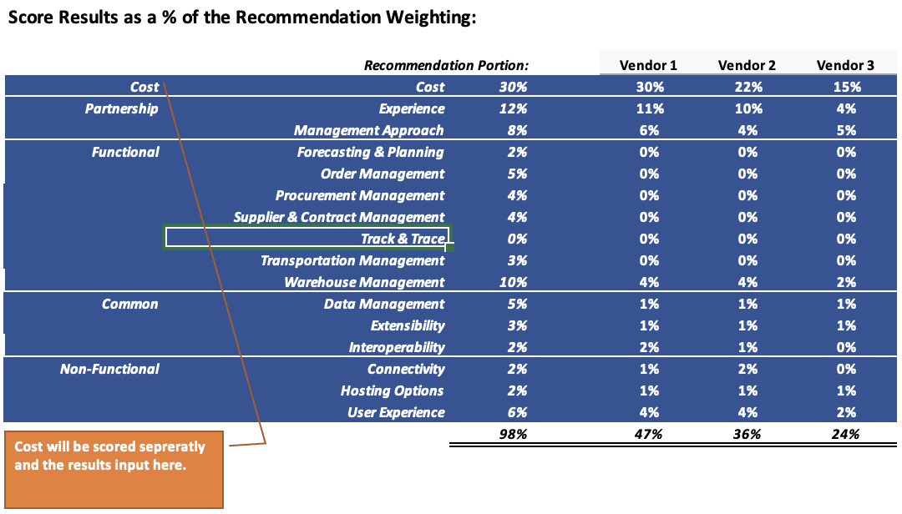 Note: While evaluating software tools, if a particular functionality is not applicable the recommendation portion percentage in the scoring results table within the Scoring Results tab can be zeroed out. An example is depicted below to indicate that Track & Trace functionality is not being evaluate.
Contents | Use
SC Capabilities by Process | Visual layout of a country supply chain by process and organizational level.
Scoring Guide Hierarchy | Visual layout of how the requirements relate and the relative %s for final weighting
Requirements by Resource Level | Provides a view on the number of requirements per category by resource level
Requirements by Priority | Provides a view on the number of requirements per category by priority
Requirements | Lists all of the requirements with a notes field and a scoring field per bidder
Scoring Results | Visual Comparison on the results of the scoring
Lookups | Lookup table for values

Version History | Version Notes
2023-07-30 | Initial version.
2023-08-24 | Update to maturity levels on the Requirements tab

SC Capabilities by Process
It is recommended that the reader first modifies the diagram to the left to showcase what capabilities are needed at at each level.
Example 1:
Health Posts are encouraged to do lateral transfers of commodities. In this scenario - the Order Management box at the under the Health Posts would have the 'Transfer / Distribution Orders' bullet added to the box.
Example 2:
Microplanning Forecasts are happening at a per District level. In this scenario - a box for the 'Forecasting & Planning' would be added under the District Warehouses along with a bullet for the Microplanning Forecast.
Once the capabilities are established then the reader can filter the requirements section to those that are of interest to them and these should then be segmented by Resource Level available.

Ministry of Health
Central / Regional Warehouse
District Warehouses
Service Delivery Points
Health Posts

Strategy & Planning
Forecasting & Planning
Supplier & Contract Mgmt.
Forecasts
Supply Plans
Contracts

Interoperability

Process Collaboration
Procurement Management

Purchase Orders

Order Management
Order Management
Order Management
Order Management
Requisition Orders
Transfer / Distribution Orders
Requisition Orders
Transfer / Distribution Orders
Requisition Orders
Transfer / Distribution Orders
Requisition Orders

Physical Operations
Warehouse Management
Warehouse Management
Warehouse Management
Warehouse Management

Inbound Orders
Inventory
Storage Locations
Shipments
Inbound Orders
Inventory
Shipments
Inbound Orders
Inventory
Issues
Receipts
Inventory
Issues

Transportation Management
Transportation Management
Transportation Management
Delivery Routes
Proof of Delivery
Delivery Routes
Proof of Delivery
Delivery Routes
Proof of Delivery

Orchestration/ Foundation
Data Transformation
Data Mapping
Orchestration
Data Management
Track and Trace
Product Master
Facility Master
Supplier Master
Verification
Traceability
Recalls

Scoring Guide Hiearchy
This is an Example visual of the requirements hierarchy.
However, the reader should be customizing the capabilities down to only those that interested in and then adjust the % weighting in accordance with their RFP procedures.

Core Requirements

Extended Requirements

Requirements by Priority
% Distribution of Priority
 | Essential | Advanced | Emerging
Experience | 7
Management Approach | 7 | 1
Warehouse and Inventory Management | 21 | 31 | 17
Data Management | 11 | 6 | 3
Interoperability | 1 | 6 | 1
Extensibility | 5 | 1
Forecasting & Planning | 12 | 15
Supplier & Contract Management | 17 | 13
Procurement Management | 11 | 7
Order Management | 14 | 15
Transportation Management | 2 | 14 | 1
Track & Trace |  | 7 | 4
Analytics and Reporting | 24 | 3 | 1
Hosting Options | 2 | 1
Connectivity | 3 | 2 | 1
User Experience | 3 | 2
Security | 4 | 1
Count of Requirements by Priority
 |  | Priority
Category | Section | Essential | Advanced | Emerging | Grand Total
Partnership | Experience | 7 |  |  | 7
 | Management Approach | 7 | 1 |  | 8
Partnership Total |  | 14 | 1 |  | 15
Common | Warehouse and Inventory Management | 21 | 31 | 17 | 69
Common Total |  | 21 | 31 | 17 | 69
Functional | Data Management | 11 | 6 | 3 | 20
 | Interoperability | 1 | 6 | 1 | 8
 | Extensibility | 5 | 1 |  | 6
 | Forecasting & Planning | 12 | 15 |  | 27
 | Supplier & Contract Management | 17 | 13 |  | 30
 | Procurement Management | 11 | 7 |  | 18
 | Order Management | 14 | 15 |  | 29
 | Transportation Management | 2 | 14 | 1 | 17
 | Track & Trace |  | 7 | 4 | 11
 | Analytics and Reporting | 24 | 3 | 1 | 28
Functional Total |  | 97 | 87 | 10 | 194
Non-Functional | Hosting Options | 2 | 1 |  | 3
 | Connectivity | 3 | 2 | 1 | 6
 | User Experience | 3 | 2 |  | 5
 | Security | 4 | 1 |  | 5
Non-Functional Total |  | 12 | 6 | 1 | 19
Grand Total |  | 144 | 125 | 28 | 297

Scoring Results
Score Results based on Points Possible:
Requirements Score Comparison based on points possible
Category | Section | # Req | Total Possible | Vendor 1 | Vendor 2 | Vendor 3
Partnership | Experience | 7 | 252 | 216 | 216 | 90
 | Management Approach | 8 | 264 | 198.6 | 141 | 153
Partnership Total |  | 15 | 516 | 414.6 | 357 | 243
Common | Warehouse and Inventory Management | 69 | 1096 | 427 | 661 | 268
Common Total |  | 69 | 1096 | 427 | 661 | 268
Functional | Analytics and Reporting | 28 | 552 | 135 | 276 | 72
 | Data Management | 20 | 428 | 126 | 285 | 66
 | Extensibility | 6 | 192 | 153 | 162 | 60
 | Forecasting & Planning | 27 | 600 | 24 | 24 | 12
 | Interoperability | 8 | 64 | 64 | 46 | 14
 | Order Management | 29 | 684 | 0 | 312 | 0
 | Procurement Management | 18 | 468 | 0 | 210 | 0
 | Supplier & Contract Management | 30 | 756 | 0 | 0 | 0
 | Track & Trace | 11 | 88 | 16 | 27 | 7
 | Transportation Management | 17 | 244 | 0 | 56 | 0
Functional Total |  | 194 | 4076 | 518 | 1398 | 231
Non-Functional | Connectivity | 6 | 120 | 63 | 99 | 36
 | Hosting Options | 3 | 84 | 42 | 42 | 42
 | Security | 5 | 48 | 36 | 36 | 24
 | User Experience | 5 | 132 | 81 | 90 | 39
Non-Functional Total |  | 19 | 384 | 222 | 267 | 141
Grand Total |  | 297 | 6072 | 1581.6 | 2683 | 883
Recommendation - % Weights
 | Cost | Experience | Management Approach | Forecasting & Planning | Order Management | Procurement Management | Supplier & Contract Management | Track & Trace | Transportation Management | Warehouse and Inventory Management | Data Management | Extensibility
Recommendation Portion: | 30% | 12% | 8% | 2% | 5% | 4% | 4% | 0% | 3% | 10% | 5% | 3%
Vendor 1 | 30% | 10% | 6% | 0% | 0% | 0% | 0% | 0% | 0% | 4% | 1% | 2%
Vendor 2 | 22% | 10% | 4% | 0% | 2% | 2% | 0% | 0% | 1% | 6% | 3% | 3%
Vendor 3 | 15% | 4% | 5% | 0% | 0% | 0% | 0% | 0% | 0% | 6% | 1% | 1%
Score Results as a % of the Recommendation Weighting:

 |  | Recommendation Portion: |  | Vendor 1 | Vendor 2 | Vendor 3
Cost | Cost | 30% |  | 30% | 22% | 15%
Partnership | Experience | 12% |  | 10% | 10% | 4%
 | Management Approach | 8% |  | 6% | 4% | 5%
Common | Warehouse and Inventory Management | 10% |  | 4% | 6% | 6%
Functional | Forecasting & Planning | 2% |  | 0% | 0% | 0%
 | Order Management | 5% |  | 0% | 2% | 0%
 | Procurement Management | 4% |  | 0% | 2% | 0%
 | Supplier & Contract Management | 4% |  | 0% | 0% | 0%
 | Track & Trace | 0% |  | 0% | 0% | 0%
 | Transportation Management | 3% |  | 0% | 1% | 0%
 | Data Management | 5% |  | 1% | 3% | 1%
 | Extensibility | 3% |  | 2% | 3% | 1%
 | Interoperability | 2% |  | 2% | 1% | 0%
Non-Functional | Connectivity | 2% |  | 1% | 2% | 1%
 | Hosting Options | 2% |  | 1% | 1% | 1%
 | User Experience | 5% |  | 3% | 3% | 1%
 | Security | 3% |  | 2% | 2% | 2%
Cost will be scored sepreratly and the results input here.
 |  | 100% |  | 50% | 46% | 30%

